Sheet2
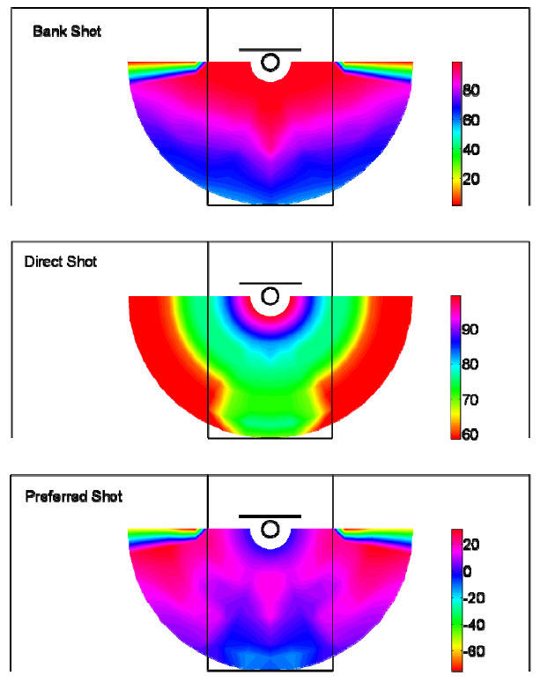
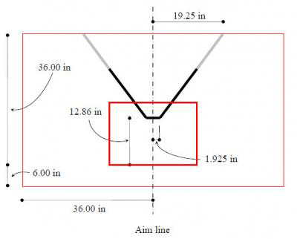
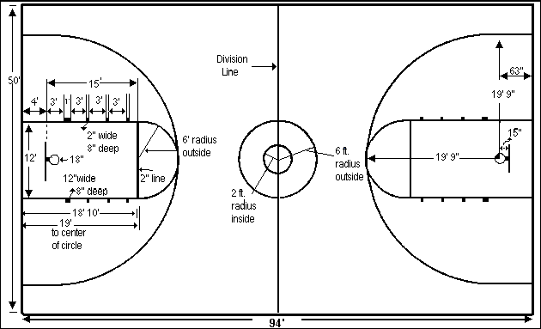
vertical bar 3.326 inches behind

Sheet3
Basketball court - 15' x 50'
 |  | 0.5 | 1.5 | 2.5 | 3.5 | 4.5 | 5.5 | 6.5 | 7.5 | 8.5 | 9.5 | 10.5 | 11.5 | 12.5 | 13.5 | 14.5 | 15.5 | 16.5 | 17.5 | 18.5 | 19.5 | 20.5 | 21.5 | 22.5 | 23.5 | 24.5 | 25.5 | 26.5 | 27.5 | 28.5 | 29.5 | 30.5 | 31.5 | 32.5 | 33.5 | 34.5 | 35.5 | 36.5 | 37.5 | 38.5 | 39.5 | 40.5 | 41.5 | 42.5 | 43.5 | 44.5 | 45.5 | 46.5 | 47.5 | 48.5 | 49.5
 |  | 1 | 2 | 3 | 4 | 5 | 6 | 7 | 8 | 9 | 10 | 11 | 12 | 13 | 14 | 15 | 16 | 17 | 18 | 19 | 20 | 21 | 22 | 23 | 24 | 25 | 26 | 27 | 28 | 29 | 30 | 31 | 32 | 33 | 34 | 35 | 36 | 37 | 38 | 39 | 40 | 41 | 42 | 43 | 44 | 45 | 46 | 47 | 48 | 49 | 50
0.5 | 1
1.5 | 2
2.5 | 3
3.5 | 4
4.5 | 5
5.5 | 6
6.5 | 7
7.5 | 8 |  |  |  |  |  |  |  |  |  |  |  |  |  |  |  |  | X
8.5 | 9
9.5 | 10
10.5 | 11
11.5 | 12
12.5 | 13
13.5 | 14
14.5 | 15
15.5 | 16
16.5 | 17
17.5 | 18
18.5 | 19 |  |  |  |  |  |  |  |  |  |  |  |  |  |  |  |  |  |  |  |  |  |  |  |  |  |  |  |  |  |  |  |  |  |  |  |  |  |  |  |  |  |  |  |  |  |  |  |  |  |  |  |  |  |  |  |  |  |  |  |  |  |  |  |  |  |  |  |  |  |  |  |  |  | Enter here | converted
 |  |  |  |  |  |  |  |  |  |  |  |  |  |  |  |  |  |  |  |  |  |  |  |  |  |  |  |  |  |  |  |  |  |  |  |  |  |  |  |  |  |  |  |  |  |  |  |  |  |  |  |  |  |  |  |  |  |  |  |  |  |  |  |  |  |  |  |  |  |  |  |  |  | Y AXIS | 8 | 7.5
 |  |  |  |  |  |  |  |  |  |  |  |  |  |  |  |  |  |  |  |  |  |  |  |  |  |  |  |  |  |  |  |  |  |  |  |  |  |  |  |  |  |  |  |  |  |  |  |  |  |  |  |  |  |  |  |  |  |  |  |  |  |  |  |  |  |  |  |  |  |  |  |  |  | X AXIS | 17 | 16.5

Basketball Backboard 72" x 42"
 |  | 23 | 23 | 23 | 23 | 23 | 23 | 23 | 23 | 23 | 23 | 23 | 23 | 24 | 24 | 24 | 24 | 24 | 24 | 24 | 24 | 24 | 24 | 24 | 24 | 25 | 25 | 25 | 25 | 25 | 25 | 25 | 25 | 25 | 25 | 25 | 25 | 26 | 26 | 26 | 26 | 26 | 26 | 26 | 26 | 26 | 26 | 26 | 26 | 27 | 27 | 27 | 27 | 27 | 27 | 27 | 27 | 27 | 27 | 27 | 27 | 28 | 28 | 28 | 28 | 28 | 28 | 28 | 28 | 28 | 28 | 28 | 28
 |  | 22.041666667 | 22.125 | 22.208333333 | 22.291666667 | 22.375 | 22.458333333 | 22.541666667 | 22.625 | 22.708333333 | 22.791666667 | 22.875 | 22.958333333 | 23.041666667 | 23.125 | 23.208333333 | 23.291666667 | 23.375 | 23.458333333 | 23.541666667 | 23.625 | 23.708333333 | 23.791666667 | 23.875 | 23.958333333 | 24.041666667 | 24.125 | 24.208333333 | 24.291666667 | 24.375 | 24.458333333 | 24.541666667 | 24.625 | 24.708333333 | 24.791666667 | 24.875 | 24.958333333 | 25.041666667 | 25.125 | 25.208333333 | 25.291666667 | 25.375 | 25.458333333 | 25.541666667 | 25.625 | 25.708333333 | 25.791666667 | 25.875 | 25.958333333 | 26.041666667 | 26.125 | 26.208333333 | 26.291666667 | 26.375 | 26.458333333 | 26.541666667 | 26.625 | 26.708333333 | 26.791666667 | 26.875 | 26.958333333 | 27.041666667 | 27.125 | 27.208333333 | 27.291666667 | 27.375 | 27.458333333 | 27.541666667 | 27.625 | 27.708333333 | 27.791666667 | 27.875 | 27.958333333

 |  | 1 | 2 | 3 | 4 | 5 | 6 | 7 | 8 | 9 | 10 | 11 | 12 | 13 | 14 | 15 | 16 | 17 | 18 | 19 | 20 | 21 | 22 | 23 | 24 | 25 | 26 | 27 | 28 | 29 | 30 | 31 | 32 | 33 | 34 | 35 | 36 | 37 | 38 | 39 | 40 | 41 | 42 | 43 | 44 | 45 | 46 | 47 | 48 | 49 | 50 | 51 | 52 | 53 | 54 | 55 | 56 | 57 | 58 | 59 | 60 | 61 | 62 | 63 | 64 | 65 | 66 | 67 | 68 | 69 | 70 | 71 | 72
41.5 | 42 |  |  |  |  |  |  |  |  |  |  |  |  |  |  |  |  | 43.57680162 | 35.753095463 |  |  |  |  |  |  |  |  |  |  |  |  |  |  |  |  |  |  |  |  |  |  |  |  |  |  |  |  |  |  |  |  |  |  |  |  | 95.533671603 | 101.33926914
40.5 | 41 |  |  |  |  |  |  |  |  |  |  |  |  |  |  |  |  |  | 35.753095463 |  |  |  |  |  |  |  |  |  |  |  |  |  |  |  |  |  |  |  |  |  |  |  |  |  |  |  |  |  |  |  |  |  |  |  |  | 95.533671603
39.5 | 40 |  |  |  |  |  |  |  |  |  |  |  |  |  |  |  |  |  |  | 28.860799861 |  |  |  |  |  |  |  |  |  |  |  |  |  |  |  |  |  |  |  |  |  |  |  |  |  |  |  |  |  |  |  |  |  |  | 89.806470955
38.5 | 39 |  |  |  |  |  |  |  |  |  |  |  |  |  |  |  |  |  |  |  | 22.841356332 |  |  |  |  |  |  |  |  |  |  |  |  |  |  |  |  |  |  |  |  |  |  |  |  |  |  |  |  |  |  |  |  | 84.164134036
37.5 | 38 |  |  |  |  |  |  |  |  |  |  |  |  |  |  |  |  |  |  |  |  | 17.64009711 |  |  |  |  |  |  |  |  |  |  |  |  |  |  |  |  |  |  |  |  |  |  |  |  |  |  |  |  |  |  | 78.613501713
36.5 | 37 |  |  |  |  |  |  |  |  |  |  |  |  |  |  |  |  |  |  |  |  | 17.64009711 | 13.205956 |  |  |  |  |  |  |  |  |  |  |  |  |  |  |  |  |  |  |  |  |  |  |  |  |  |  |  |  | 73.161811597 | 78.613501713
35.5 | 36 |  |  |  |  |  |  |  |  |  |  |  |  |  |  |  |  |  |  |  |  |  | 13.205956 |  |  |  |  |  |  |  |  |  |  |  |  |  |  |  |  |  |  |  |  |  |  |  |  |  |  |  |  | 73.161811597 |  |  |  |  |  |  |  |  |  |  |  |  |  |  |  |  |  |  |  |  |  | 24.125
34.5 | 35 |  |  |  |  |  |  |  |  |  |  |  |  |  |  |  |  |  |  |  |  |  |  | 9.4912033197 |  |  |  |  |  |  |  |  |  |  |  |  |  |  |  |  |  |  |  |  |  |  |  |  |  |  | 67.816722281
33.5 | 34 |  |  |  |  |  |  |  |  |  |  |  |  |  |  |  |  |  |  |  |  |  |  |  | 6.4512026877 |  |  |  |  |  |  |  |  |  |  |  |  |  |  |  |  |  |  |  |  |  |  |  |  | 62.586339233
32.5 | 33 |  |  |  |  |  |  |  |  |  |  |  |  |  |  |  |  |  |  |  |  |  |  |  | 6.4512026877 |  |  |  |  |  |  |  |  |  |  |  |  |  |  |  |  |  |  |  |  |  |  |  |  | 62.586339233
31.5 | 32 |  |  |  |  |  |  |  |  |  |  |  |  |  |  |  |  |  |  |  |  |  |  |  |  | 4.0441876633 |  |  |  |  |  |  |  |  |  |  |  |  |  |  |  |  |  |  |  |  |  |  | 57.479242446
30.5 | 31 |  |  |  |  |  |  |  |  |  |  |  |  |  |  |  |  |  |  |  |  |  |  |  |  |  | 2.2310564354 |  |  |  |  |  |  |  |  |  |  |  |  |  |  |  |  |  |  |  |  | 52.504516
29.5 | 30 |  |  |  |  |  |  |  |  |  |  |  |  |  |  |  |  |  |  |  |  |  |  |  |  |  |  | 0.97518293937 |  |  |  |  |  |  |  |  |  |  |  |  |  |  |  |  |  |  | 47.67177967
28.5 | 29 |  |  |  |  |  |  |  |  |  |  |  |  |  |  |  |  |  |  |  |  |  |  |  |  |  |  | 0.97518293937 | 0.24224294215 |  |  |  |  |  |  |  |  |  |  |  |  |  |  |  |  | 42.991222746 | 47.67177967
27.5 | 28 |  |  |  |  |  |  |  |  |  |  |  |  |  |  |  |  |  |  |  |  |  |  |  |  |  |  |  | 0.24224294215 |  |  |  |  |  |  |  |  |  |  |  |  |  |  |  |  | 42.991222746
26.5 | 27 |  |  |  |  |  |  |  |  |  |  |  |  |  |  |  |  |  |  |  |  |  |  |  |  |  |  |  |  | 5.3777777777E-05 |  |  |  |  |  |  |  |  |  |  |  |  |  |  | 38.473640233
25.5 | 26 |  |  |  |  |  |  |  |  |  |  |  |  |  |  |  |  |  |  |  |  |  |  |  |  |  |  |  |  |  | 0.21842654412 |  |  |  |  |  |  |  |  |  |  |  |  | 34.13047163
24.5 | 25 |  |  |  |  |  |  |  |  |  |  |  |  |  |  |  |  |  |  |  |  |  |  |  |  |  |  |  |  |  | 0.21842654412 | 0.86902968466 |  |  |  |  |  |  |  |  |  |  | 29.973842468 | 34.13047163
23.5 | 24 |  |  |  |  |  |  |  |  |  |  |  |  |  |  |  |  |  |  |  |  |  |  |  |  |  |  |  |  |  |  | 0.86902968466 |  |  |  |  |  |  |  |  |  |  | 29.973842468
22.5 | 23 |  |  |  |  |  |  |  |  |  |  |  |  |  |  |  |  |  |  |  |  |  |  |  |  |  |  |  |  |  |  |  | 1.9252629822 |  |  |  |  |  |  |  |  | 26.01660887
21.5 | 22 |  |  |  |  |  |  |  |  |  |  |  |  |  |  |  |  |  |  |  |  |  |  |  |  |  |  |  |  |  |  |  |  | 3.3621410828 |  |  |  |  |  |  | 22.272405332
20.5 | 21 |  |  |  |  |  |  |  |  |  |  |  |  |  |  |  |  |  |  |  |  |  |  |  |  |  |  |  |  |  |  |  |  |  | 5.1561857498 |  |  |  |  | 18.755696022
19.5 | 20 |  |  |  |  |  |  |  |  |  |  |  |  |  |  |  |  |  |  |  |  |  |  |  |  |  |  |  |  |  |  |  |  |  | 5.1561857498 | 7.2853261225 | 9.728806321 | 12.467099795 | 15.481829875 | 18.755696022
18.5 | 19
17.5 | 18
16.5 | 17
15.5 | 16
14.5 | 15
13.5 | 14
12.5 | 13
11.5 | 12
10.5 | 11
9.5 | 10
8.5 | 9
7.5 | 8
6.5 | 7
5.5 | 6
4.5 | 5
3.5 | 4
2.5 | 3
1.5 | 2
0.5 | 1

 | Basketball Backboard 72" x 42"
 |  | 23 | 23 | 23 | 23 | 23 | 23 | 23 | 23 | 23 | 23 | 23 | 23 | 24 | 24 | 24 | 24 | 24 | 24 | 24 | 24 | 24 | 24 | 24 | 24 | 25 | 25 | 25 | 25 | 25 | 25 | 25 | 25 | 25 | 25 | 25 | 25 | 26 | 26 | 26 | 26 | 26 | 26 | 26 | 26 | 26 | 26 | 26 | 26 | 27 | 27 | 27 | 27 | 27 | 27 | 27 | 27 | 27 | 27 | 27 | 27 | 28 | 28 | 28 | 28 | 28 | 28 | 28 | 28 | 28 | 28 | 28 | 28
 |  | 22.041666667 | 22.125 | 22.208333333 | 22.291666667 | 22.375 | 22.458333333 | 22.541666667 | 22.625 | 22.708333333 | 22.791666667 | 22.875 | 22.958333333 | 23.041666667 | 23.125 | 23.208333333 | 23.291666667 | 23.375 | 23.458333333 | 23.541666667 | 23.625 | 23.708333333 | 23.791666667 | 23.875 | 23.958333333 | 24.041666667 | 24.125 | 24.208333333 | 24.291666667 | 24.375 | 24.458333333 | 24.541666667 | 24.625 | 24.708333333 | 24.791666667 | 24.875 | 24.958333333 | 25.041666667 | 25.125 | 25.208333333 | 25.291666667 | 25.375 | 25.458333333 | 25.541666667 | 25.625 | 25.708333333 | 25.791666667 | 25.875 | 25.958333333 | 26.041666667 | 26.125 | 26.208333333 | 26.291666667 | 26.375 | 26.458333333 | 26.541666667 | 26.625 | 26.708333333 | 26.791666667 | 26.875 | 26.958333333 | 27.041666667 | 27.125 | 27.208333333 | 27.291666667 | 27.375 | 27.458333333 | 27.541666667 | 27.625 | 27.708333333 | 27.791666667 | 27.875 | 27.958333333

 |  | 1 | 2 | 3 | 4 | 5 | 6 | 7 | 8 | 9 | 10 | 11 | 12 | 13 | 14 | 15 | 16 | 17 | 18 | 19 | 20 | 21 | 22 | 23 | 24 | 25 | 26 | 27 | 28 | 29 | 30 | 31 | 32 | 33 | 34 | 35 | 36 | 37 | 38 | 39 | 40 | 41 | 42 | 43 | 44 | 45 | 46 | 47 | 48 | 49 | 50 | 51 | 52 | 53 | 54 | 55 | 56 | 57 | 58 | 59 | 60 | 61 | 62 | 63 | 64 | 65 | 66 | 67 | 68 | 69 | 70 | 71 | 72
 | 42
 | 41
 | 40
 | 39
 | 38
 | 37
 | 36
 | 35
 | 34
 | 33
 | 32
 | 31 |  |  |  |  |  |  |  |  |  |  |  |  |  |  |  |  |  |  |  |  |  |  |  |  |  | 2.2310564354
 | 30
 | 29
 | 28
 | 27
 | 26
 | 25
 | 24
 | 23
 | 22
 | 21
 | 20
 | 19
 | 18
 | 17
 | 16
 | 15
 | 14
 | 13
 | 12
 | 11
 | 10
 | 9
 | 8
 | 7
 | 6
 | 5
 | 4
 | 3
 | 2
 | 1

Basketball court - 15' x 50'
 |  | 0.5 | 1.5 | 2.5 | 3.5 | 4.5 | 5.5 | 6.5 | 7.5 | 8.5 | 9.5 | 10.5 | 11.5 | 12.5 | 13.5 | 14.5 | 15.5 | 16.5 | 17.5 | 18.5 | 19.5 | 20.5 | 21.5 | 22.5 | 23.5 | 24.5 | 25.5 | 26.5 | 27.5 | 28.5 | 29.5 | 30.5 | 31.5 | 32.5 | 33.5 | 34.5 | 35.5 | 36.5 | 37.5 | 38.5 | 39.5 | 40.5 | 41.5 | 42.5 | 43.5 | 44.5 | 45.5 | 46.5 | 47.5 | 48.5 | 49.5
 |  | 1 | 2 | 3 | 4 | 5 | 6 | 7 | 8 | 9 | 10 | 11 | 12 | 13 | 14 | 15 | 16 | 17 | 18 | 19 | 20 | 21 | 22 | 23 | 24 | 25 | 26 | 27 | 28 | 29 | 30 | 31 | 32 | 33 | 34 | 35 | 36 | 37 | 38 | 39 | 40 | 41 | 42 | 43 | 44 | 45 | 46 | 47 | 48 | 49 | 50
0.5 | 1
1.5 | 2
2.5 | 3
H2-H1 ~3.326"
3.5 | 4
H2
4.5 | 5
H1
5.5 | 6
6.5 | 7
7.5 | 8 |  |  |  |  |  |  |  |  |  |  |  |  |  |  |  |  | X
B1
8.5 | 9
9.5 | 10
B2
10.5 | 11
11.5 | 12
12.5 | 13
13.5 | 14
14.5 | 15
15.5 | 16
16.5 | 17
17.5 | 18
18.5 | 19

